Olena Lialiuk
 | Req # | Priority | Subject | Steps | Expected result | Comment |  | Attachment 1.
 | UI
1 | UIR-001 | 1 | Verification of calculator's UI having the following buttons: 0, 1, 2, 3, 4, 5, 6, 7, 8, 9, ,, +, -, *, /, =, %, C, ← | 1. check for presence of button "0". 2. check for presence of button "1" 3. check for presence of button "2" 4. check for presence of button "3" 5. check for presence of button "4" 6. check for presence of button "5" 7. check for presence of button "6" 8. check for presence of button "7" 9. check for presence of button "8" 10. check for presence of button "9" 11. check for presence of button "+" 12. check for presence of button "-" 13. check for presence of button "*" 14. check for presence of button "/" 15. check for presence of button "=" 16. check for presence of button "%" 17. check for presence of button "C" 18. check for presence of button "←" 19. check for presence of button "," | The calculator presents following buttons 0, 1, 2, 3, 4, 5, 6, 7, 8, 9, +, -, *, /, =, %, C, ←, ,. |  | 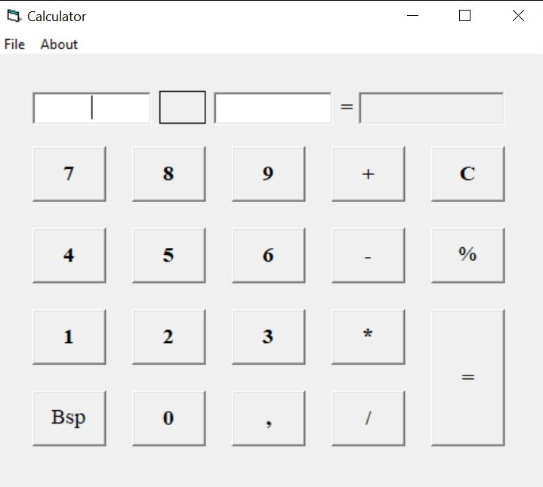
2 | UIR-002 | 1 | Verification of calculator's UI containing menu bar in the top part of the application window. | 1. Check for the location of the menu bar | Menu bar is located in the top part of the application window.
3 | UIR-003 | 1 | Verification of calculator's menu bar containing "File" menu. | 1. Check for file menu in menu bar. | Menu bar contains "File" menu.
4 | UIR-004 | 2 | Verification of calculator's menu bar containing "About" menu. | 1. Check for About menu in menu bar. | Menu bar contains "About" menu.
5 | UIR-005 | 1 | Verification of about box window containing the following info: program version and program name "Calculator" | 1. Click on About menu. 2. Check for program name, program name "calculator" in Windows box | Box window includes program version and program name "Calculator"
6 | UIR-006 | 1 | Verification of calculator having 3 separate fields: 2 for values that should be calcualated and thrid for displaying output. | 1. Check for three separate fields: two for input and one for output result. | The calculator presents 2 input fields and one output field.
7 | UIR-007 | 2 | Verification of calculator displaying which field is currently active with a blinking vertical cursor (bar). | 1. Check for blinking vertical cursor (bar) of active field while calculating 2. Click on enter | The field 1, field 2, output result are active while the vertrical cursor is blinking during calculating.
8 | UIR-008 | 3 | Verification of all buttons, except the "=" button, having the following width and height: 70 x 60 pixels | 1. Measure height and width of all button except "=" button. | All buttons have the following width and height: 70 x 60 pixels (except the "=" button).
9 | UIR-009 | 3 | Verification of button "=" having height of 150 pixels. | 1. Measure the height and width of "=" button | "=" button has height and width: 150*70 pixels.
10 | UIR-010 | 3 | Verification of file menu containing "Close" option. | 1. Check the menu for having the close button. | File menu has "Close" option.
11 | UIR-011 | 3 | Verification of the interface of the calculator is as close to the appearance and operation of a model as possible. Verification of the appearance of the application on the two platforms is as close to identical as possible with the calculator sign at windows taskbar. | 1. Compare UI and functional similarities and differences between model (see Attachment 1) and programme. 2. Comparing the appearence of the application on two platform (win 8 and win 10). | The interface of programme is close to the appearance and operation of a model of physical calculator (Attachment 1) at win 8 and win 10 platform. The calculator sign is present on the taskbar.
12 | UIR-012 | 3 | Verification of close application dialog window containing the following prompt: Do you really want to close The Calculator? | 1. close the programme: a) by Alt + f4 b) by clicking the close button at title bar c) by force closing process at task manager d) by close button in file menu 2. check of calculator promt. | Message shown after clicking close button: Do you really want to close The Calculator?
13 | UIR-013 | 3 | Verification of close application dialog window containing the OK control. | 1. close the aplication 2. check for yes or no buttons at dialog window | After closing programme is shown the yes or no buttons.
14 | UIR-014 | 1 | Verification of calculator displaying currently selected operation between the two fields with values. | Calculate simple mathematical operations. | The sign between the fields is the same to the operations are made.
15 | UIR-015 | 1 | Verification of the symbol "=" is displayed prior to the output field. | 1. Check the location of = sign. | = sign is displayed before the output field.

 | functional
16 | FUNCR-001 | 1 | Verification of calculator performing addition operations by pressing "+" button from it's UI or from keyboard | 1. Perfome adding from UI and keyboard | The adding operation is successful from UI and keyboard.
17 | FUNCR-002 | 1 | Verification of calculator performing substraction operations by pressing "-" button from it's UI or from keyboard | 1. Perfome substraction from UI and keyboard | The substraction operation is mathematically successful from UI and keyboard.
18 | FUNCR-003 | 1 | Verification of calculator performing multiplication operations by pressing "*" button from it's UI or from keyboard | 1. Perfome multiplication from UI and keyboard | The multiplication operation is mathematically successful from UI and keyboard.
19 | FUNCR-004 | 1 | Verification of calculator performing division operations by pressing "/" button from it's UI or from keyboard | 1. Perfome division operation from UI and keyboard | The division operation is mathematically successful from UI and keyboard.
20 | FUNCR-005 | 1 | Verification of percent functioning calculating percentage of the value from the active field. | 1. Operate percentage function of 100. | Percentage function from 100 from the active field is 1.
21 | FUNCR-006 | 1 | Verification of all calculations following standard arithmetic rules | 1. Calculate standart operation according to https://www.cuemath.com/numbers/arithmetic-operations/ Arithmetic Operations with Whole Numbers by mouse and keyboard: a) multiplication b) division c) substractrion d) additon Arithmetic Operations with Rational Numbers by mouse and keyboard: a) multiplication b) division c) substractrion d) additon | 1. The result is equal to classic mathematical rules. https://www.cuemath.com/numbers/arithmetic-operations/ a) operation multiplication and divisions is prior to addition and substraction
22 | FUNCR-007 | 3 | Verification of clicking on About menu opening an About box window. | 1. Click on About menu. | Clicking on About menu opens an About box window.
23 | FUNCR-008 | 1 | Verification of output (as a result of the calculation) is displayed in a separate field | 1. Perform a mathematical equation | The result of calculation (4) is visualise in output field.
24 | FUNCR-009 | 1 | Verification of results of calculation and all outputs is displayed as numeric values | 1. Calculate: a) make arithmetic operation with symbols. b) make arithmetic operation with digits. c) Make arithmetic operation with spaces. d) Make arithmetic operation with letters. | a) Message is shown: "ERROR". b) The result is mathematically correct at output field. c) Message is shown: "ERROR". d) Message is shown: "ERROR".
25 | FUNCR-010 | 2 | Verification of on encountering a division by 0 the calculator should display a pop-up window with message "Cannot divide by 0". Typing or pressing the key “C” is reseting the calculator | 1. Calculate 2/0 2. Press "C". | 1. Message error "Cannot divide by 0". 2. The calculator cleared all the digits in three fields.
26 | FUNCR-011 | 2 | Verification of "C" button canceling current operation and also it should clear all values in all fields. | 1. Calculate adding. 2. Press "C". | Pressing C button clear all the input and output result.
27 | FUNCR-012 | 1 | Verification of calculator allowing input from keyboard and the following input from keyboard is supported: 0, 1, 2, 3, 4, 5, 6, 7, 8, 9, ., +, -, *, /, =, %, C, ← | Press 0, 1, 2, 3, 4, 5, 6, 7, 8, 9, ., +, -, *, /, =, %, C, ← from keyboard. | All buttons are pressing from keyboard and visualize at input fields at programme.
28 | FUNCR-013 | 1 | Verification of the user pastes a value into the display area which is longer than ten digits plus an optional negative sign and decimal point, or the user pastes a value which contains characters which are not digits into the display area, the calculator displaying the message “ERROR” and reset number entry. | 1. Calculate a) adding of digits after 10**12 b) adding of digits with decimal point in sum less than 10.1**11 c) adding of symbols | Message error is shown: "ERROR". The input fields is cleared.
29 | FUNCR-014 | 2 | Verification of result field supporting big values from -2147483648.00 to 2147483647.00. | 1. Calculate with digits in sum from -2147483648.00 to 2147483647.00. 2. Calculate with digits in sum from -2147483648 to 2147483647 | 1. The output is the digits -2147483648.00 to 2147483647.00. 1. The output is the digits -2147483648 to 2147483647.
30 | FUNCR-015 | 1 | Verification of calculator supporting operations with 2 values | 1. Fill in value only in Field 1. 2. Press "=". 1. Fill in value only in Field 2. 2. Click on "=". | 1. Message error is shown: "ERROR". The input fields 1 is cleared. 2. Message error is shown: "ERROR". The input fields 2 is cleared.
31 | FUNCR-016 | 3 | Verification of calculator supporting the following operating systems: Windows 10, Windows 8 | 1. Open programme at Win 8 and Win 10. | 1. The calculator is opened at Win 8. 2. The calculator is opened at Win 10.
32 | FUNCR-017 | 1 | Verification of calculator performing calculation after pressing "=". | 1. Calculate adding operation 2. press = at UI and by keyboard. | The math result is appeared for both operations.
33 | FUNCR-018 | 1 | Verification of result of the calculation is displayed in the output field. | 1. Calculate any operation | The result is displayed at output result.
34 | FUNCR-019 | 2 | Verification of selecting close option from File menu generating close application dialog window. | 1. Close the calculator from File menu. | Close option from File menu generats close application dialog window: "Do you really want to close The Calculator?"
35 | FUNCR-020 | 1 | Verification of Field 1 is pre-selected by default. | 1. Open the calculator | The programme is open. The Field 1 is active with blinking cursor.

Negative test case: | positive test case:
 | Cheching UI for ambiguity.
test buying 0 liters of fuel | test buying 20 liters of fuel
test buying liters of fuel | test buying 19 liters of fuel
test buying #%@ liters of fuel | buy 19 l of gas
test buying 19.9 liters of fuel | pay for 20 l of gas
test buying 20.1 liters of fuel | pay by paypal
test buying n liters of fuel | pay by credit card
buying 20 l fuel for two cars in sequence from the same device | pay by empty card
 | cheching ui at different os (android and ios with different sizes)
 | checking instaling by different devices
 | byuing a fuel by 100 different drivers simultaneously.
 | trying to buy fuel in distance from gas station
 | byuing a fuel online (wi fi)
 | byuing a fuel offline
 | byuing a fuel by mobile internet
 | trying to buy fuel by passenger
 | trying to buy fuel by passenger and driver
 | trying to buy fuel by not a driver in canister
 | trying to buy fuel and coffee by not a driver in canister
 | trying to a fuel by laptop
 | trying to buy run out fuel

